Sheet1
 | Frequencies of Missing Values Due to Each Variable
 | Returned.From | Gender.p | LOS | Sick
 | 0 | 0 | 0 | 0
 | Domestic | n_agent | outside_philly | Species.a
 | 0 | 0 | 27 | 0
 | Injured | Outcome.Age.in.Months | Median
 | 0 | 56 | 21

 | Logistic Regression Model

 | lrm(formula = Returned.From ~ Gender.p + LOS + Sick + Domestic +
 | n_agent + outside_philly + Species.a * (Injured + Outcome.Age.in.Months +
 | Median), data = join_tbl, x = TRUE, y = TRUE, penalty = 37)

 |  |  | Model Likelihood | Discrimination | Rank Discrim.
 |  |  | Ratio Test | Indexes | Indexes
 | Obs | 6536 | LR chi2 100.08 | R2 0.041 | C 0.670
 | FALSE | 6218 | d.f. 10.643 | g 0.580 | Dxy 0.340
 | TRUE | 318 | Pr(> chi2)<0.0001 | gr 1.786 | gamma 0.340
 | max |deriv| | 6.00E-05 | Penalty 12.42 | gp 0.025 | tau-a 0.031
 |  | Brier | 0.046

 |  | Coef | S.E. | Wald Z | Pr(>|Z|) | Penalty Scale
 | Intercept | -2.3681 | 0.2887 | -8.2 | <0.0001 | 0
vs Gender.p=0 | Gender.p=F | 0.3288 | 0.1105 | 2.98 | 0.0029 | 4.9666 | Interpretations | An injured dog has greater risk of return (see raw data)
 | Gender.p=M | 0.143 | 0.1396 | 1.02 | 0.3054 | 4.9666
 | LOS | -0.004 | 0.001 | -4.09 | <0.0001 | 474.9671
 | Sick | 0.3121 | 0.1285 | 2.43 | 0.0151 | 2.4674 |  | Species.a | Injured | # return | N | % return | SE
 | Domestic | -0.4521 | 0.2352 | -1.92 | 0.0546 | 2.1194 |  | Cat | FALSE | 250 | 5650 | 4.42% | 0.27%
 | # handled by an agent | -0.0005 | 0.0002 | -2.17 | 0.03 | 1560.2626 |  | Cat | TRUE | 4 | 176 | 2.27% | 1.12%
 | outside_philly | -0.3562 | 0.1764 | -2.02 | 0.0434 | 2.4169 |  | Dog | FALSE | 61 | 763 | 7.99% | 0.98%
vs Cat | Species.a=Dog | 0.0143 | 0.2055 | 0.07 | 0.9446 | 4.3012 |  | Dog | TRUE | 6 | 39 | 15.40% | 5.78%
 | Injured | -0.4724 | 0.4099 | -1.15 | 0.2491 | 1.085
 | Outcome.Age.in.Months | 0.0048 | 0.0021 | 2.25 | 0.0247 | 176.6889
 | Median | -0.0008 | 0.0033 | -0.24 | 0.8075 | 129.833 |  | Younger dogs and older cats have greater chances of return
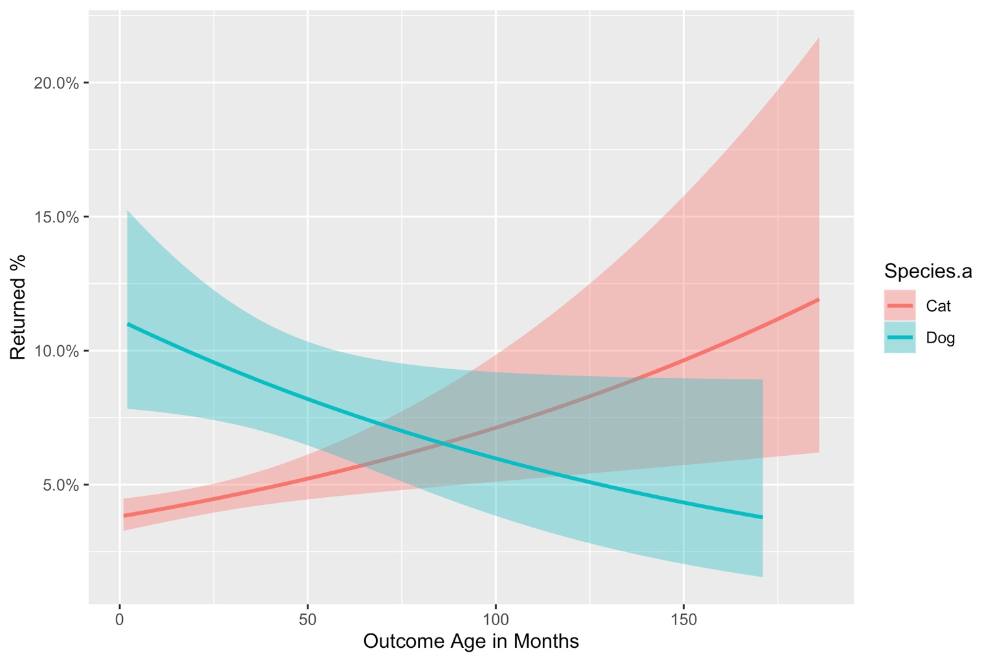
 | Species.a=Dog * Injured | 1.2053 | 0.6071 | 1.99 | 0.0471 | 0.4685
 | Species.a=Dog * Outcome.Age.in.Months | -0.0094 | 0.0035 | -2.73 | 0.0064 | 133.3466
 | Species.a=Dog * Median | 0.0088 | 0.0044 | 2.01 | 0.0439 | 115.8478

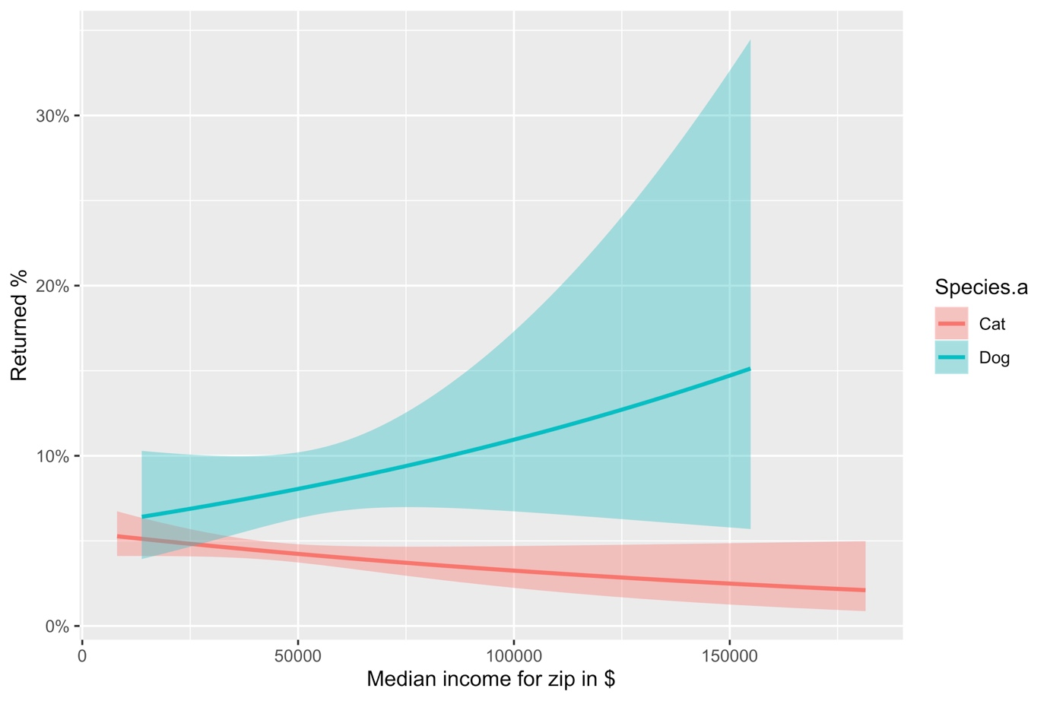

 |  | People from zip codes with higher median incomes are likelier to return dogs, less likely to return cats
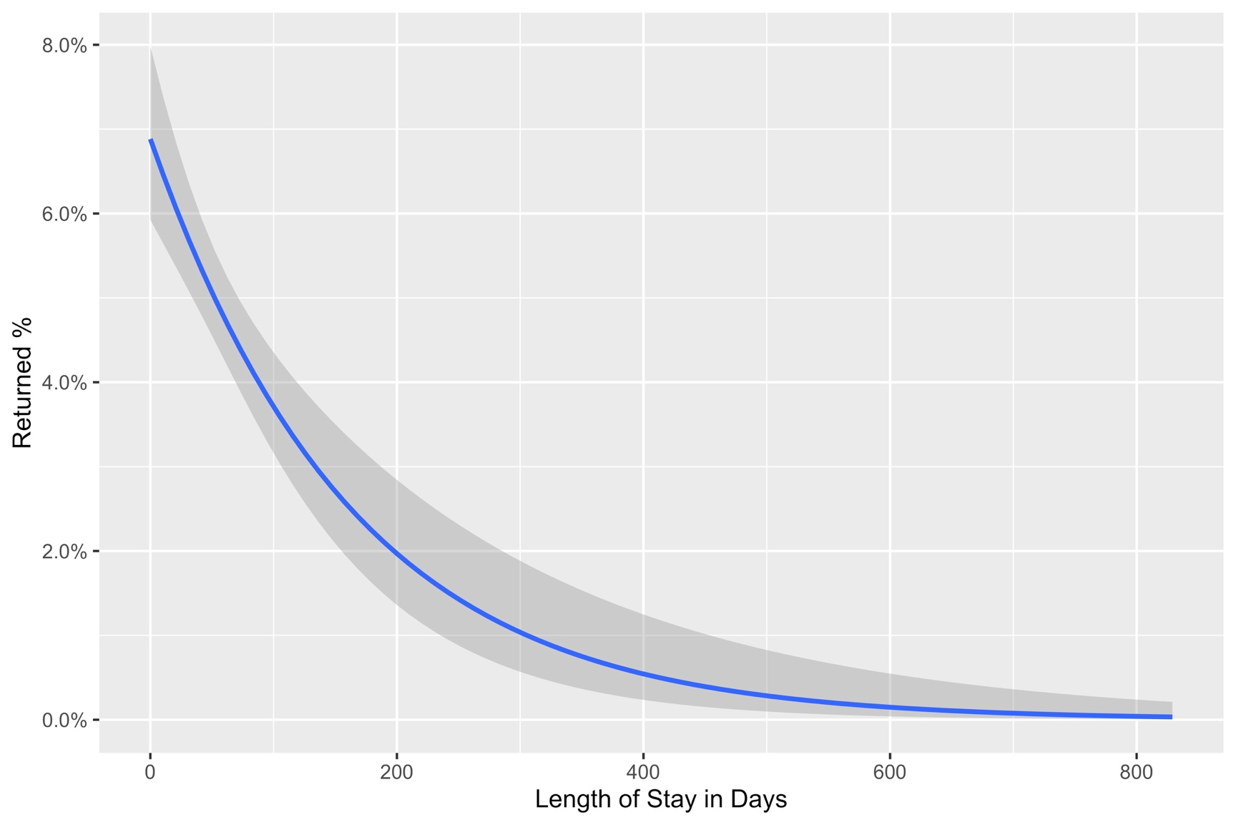

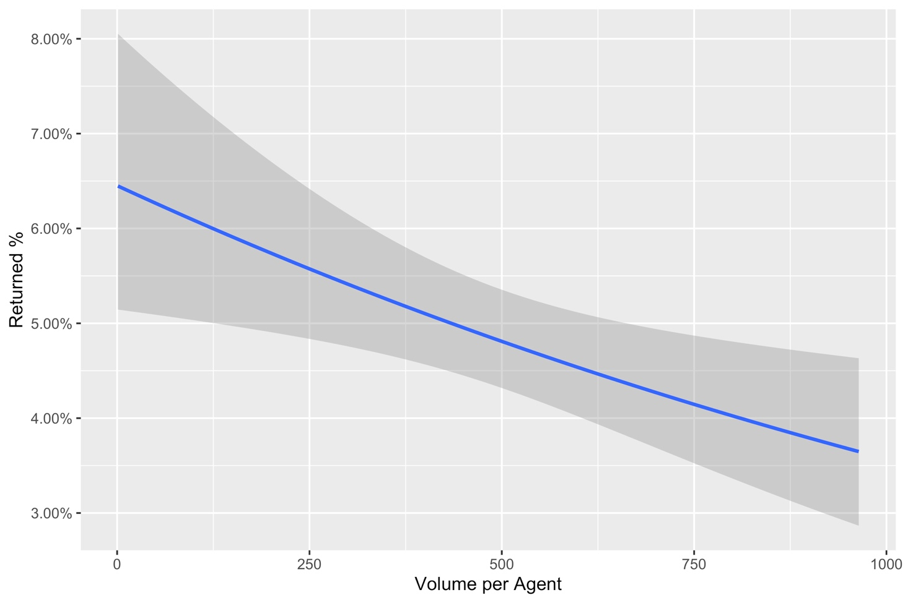

 | Agents with higher volumes tend to have fewer returns |  |  |  |  |  | Animals with longer LOS tend to have less risk of return

